Application Screen
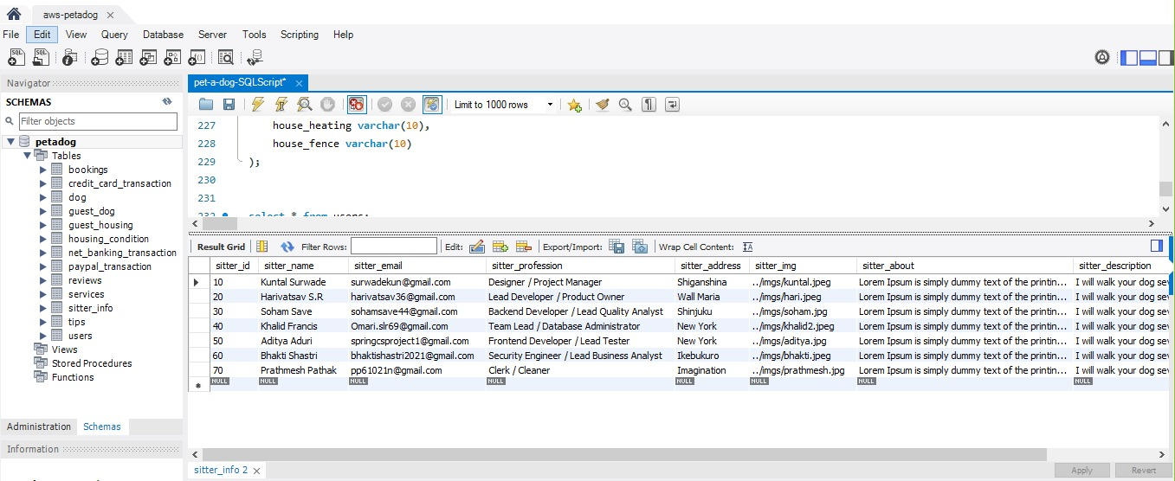

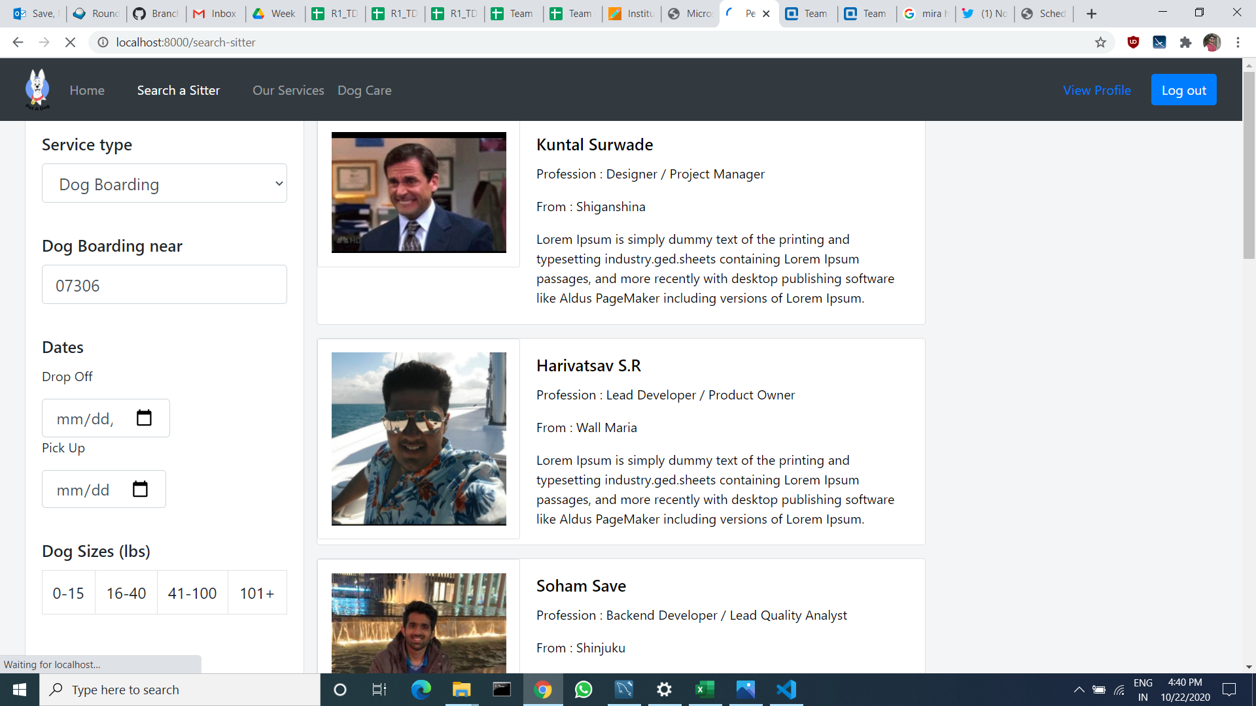

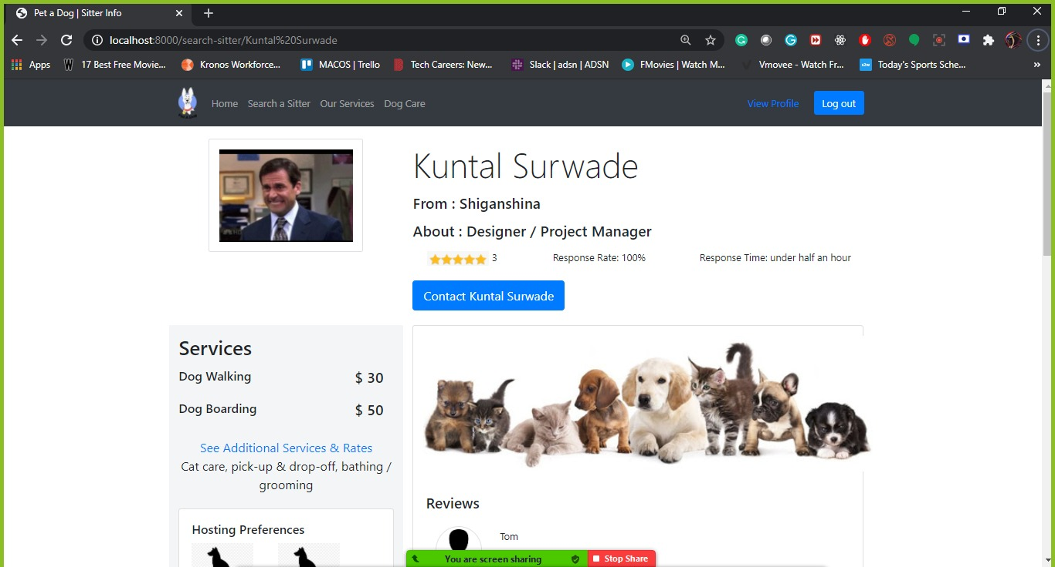

Test Case 2
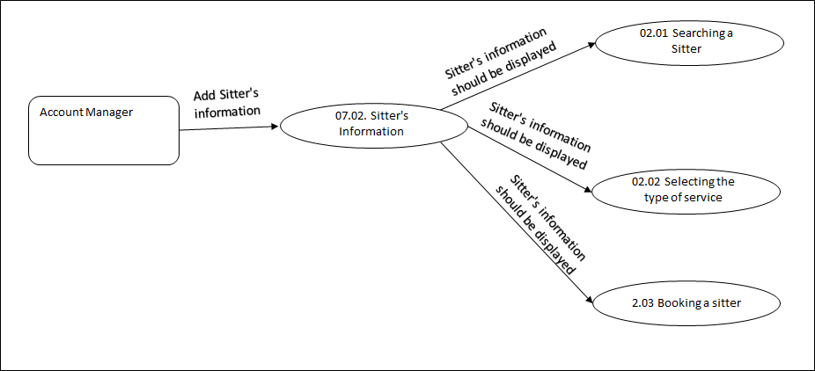
TC Title: | TC1. Sitter's Information- Core Functionality Testing + Data Flow Out

TC Objective: | To check if sitter's information in database is displaying and accessible to subscribed user on the website.

TC Description
 | Step | Step Description | Expected Results
 | 1 | Click on search a sitter navigation | Subscribed User must see list of sitter's on the sitter's page.
 | 2 | Scroll down to see all the sitters. | Subscribed User must be able to scroll down to see all the sitters information.
 | 3 | Click on one of the sitters. | Subscribed User must able to click on the sitters information and get sitters detailed information on page.

